Sheet1
 |  | Document No. | Issue No. | Issue Date |  | Review and Replace Date |  | Authorised By
 |  | GFF218MC | 1 | 02.10.2020 |  | New Issue
 |  | Document Title | Kashmiri Dum Gravy 3000g
 |  |  |  |  |  |  |  | Magda Shah
Document amendments reason for change |  | New product launch | Page 1 of 1 |  | Previous Issue Date |  | New Issue | Uncontrolled copy unless signed original

CKASG-B2T | Simply Lunch |  | Kashmiri Dum Gravy 3000g
STEP 1 |  |  |  |  | STEP 2
 |  |  |  |  | 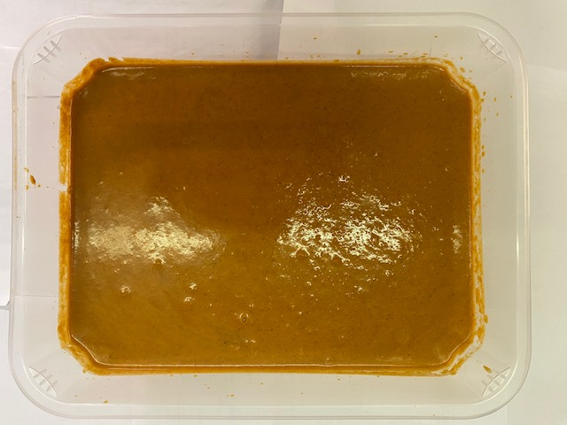

Tray: H320/100-CLEAR (554) (PKNUT001-06) |  |  |  |  | Dum Gravy Kashmiri (GFF335R): 3000g

Film: Reel Anti Fog Membrane- PP410 AF (PKPRO001-10)

TOTAL WEIGHT: 3000g

ALLERGY ALERT: MILK

